Tutorial
Variables | x1 | x2
 | 2 | 16

Objetivo | 5 | 4
 | 74
 |  |  |  |  |  | holgura
Restricciones | 2 | 1 | 20 | menor | 20 | 0
 | 1 | 1 | 18 | menor | 18 | 0
 | -1 | -2 | -34 | menor | -12 | 22

 |  |  |  |  |  | la holgura siempre tiene que ser positiva, entonces multiplicamos por -1, si da negativo
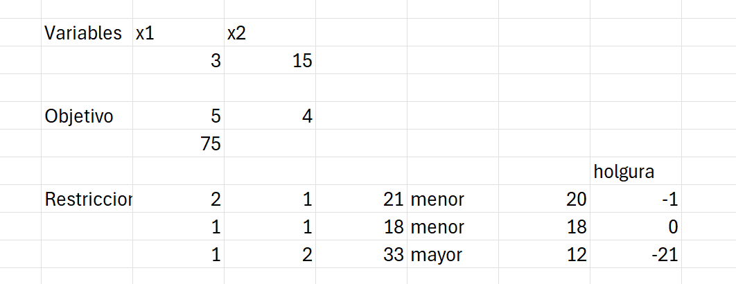

 |  |  |  |  |  | y lo volvemos a solucionar

 |  |  |  |  |  | podemos modificar las restricciones del que tiene una holgura diferente de 0
 |  |  |  |  |  | si cambiamos las holguras que tienen 0, cambia el valor optimo
 |  |  |  |  |  | el -12 es permisible en restar 22 unidades (por el analisis de sensibilidad 2) y sumar infty
 |  |  |  |  |  | * -12 e [-12 - 22, 12 + infty)

 |  |  |  |  |  | si tenemos varias holguras ocupamos la regla del 100%

Ejercicio 1
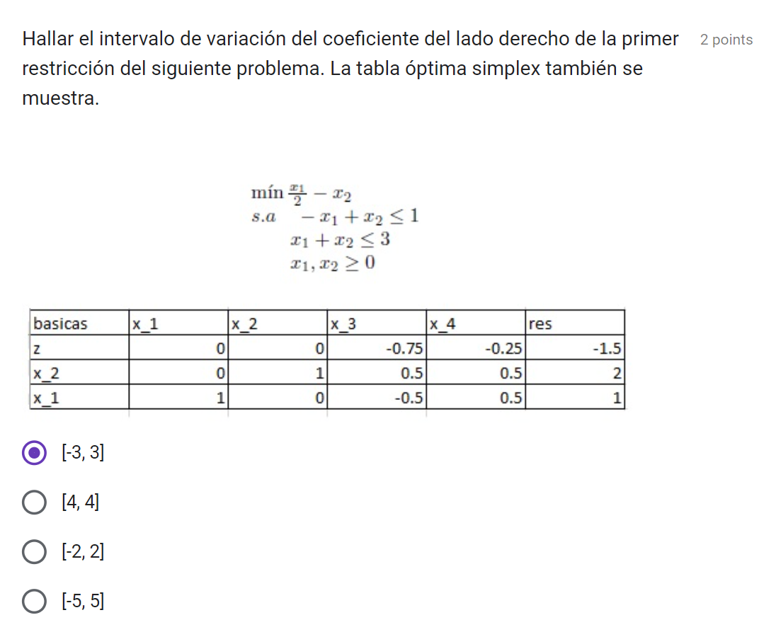
 | Variables | x1 | x2
 |  | 1 | 2

 |  | x1 | x2 | v(p)
 | Min | 0.50 | -1 | -1.5

 | S.a | x1 | x2 | sumprod |  | res
 |  | -1 | 1 | 1 | leq | 1
 |  | 1 | 1 | 3 | leq | 3

Variable Cells
 |  |  | Final | Reduced | Objective | Allowable | Allowable
 | Cell | Name | Value | Cost | Coefficient | Increase | Decrease
 | $C$3 | x1 | 1 | 0 | 0.5 | 0.5 | 1.5
 | $D$3 | x2 | 2 | 0 | -1 | 0.5 | 1E+30

Constraints
 |  |  | Final | Shadow | Constraint | Allowable | Allowable
 | Cell | Name | Value | Price | R.H. Side | Increase | Decrease
 | $E$7 | S.a | 1 | -0.75 | 1 | 2 | 4
 | $E$8 |  | 3 | -0.25 | 3 | 1E+30 | 2

( | -3 | 3 | )

Ejercicio 2
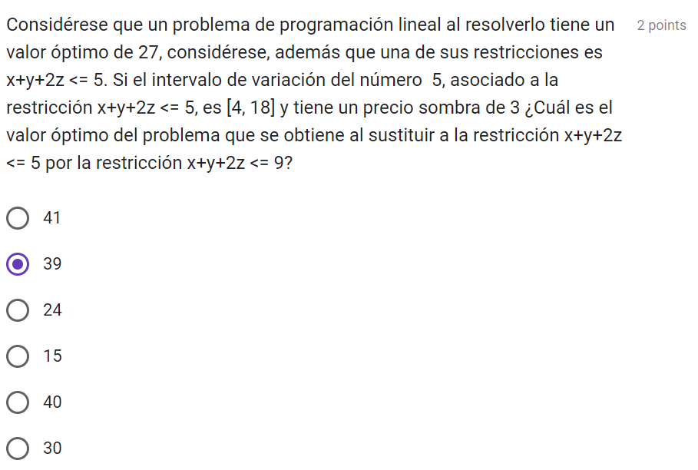

Constraints
 | Final | Shadow | Constraint | Allowable | Allowable
 | Value | Price | R.H. Side | Increase | Decrease
 | 27 | 3 | 5 | 1 | 13

Pasamos la rest de 5 a |  |  | 9

 |  | 4 | 12 | 39

 | se aumento 4 unidades
 | se multiplica por el precio sombra
 | se le suma el valor final

Ejercicio 3
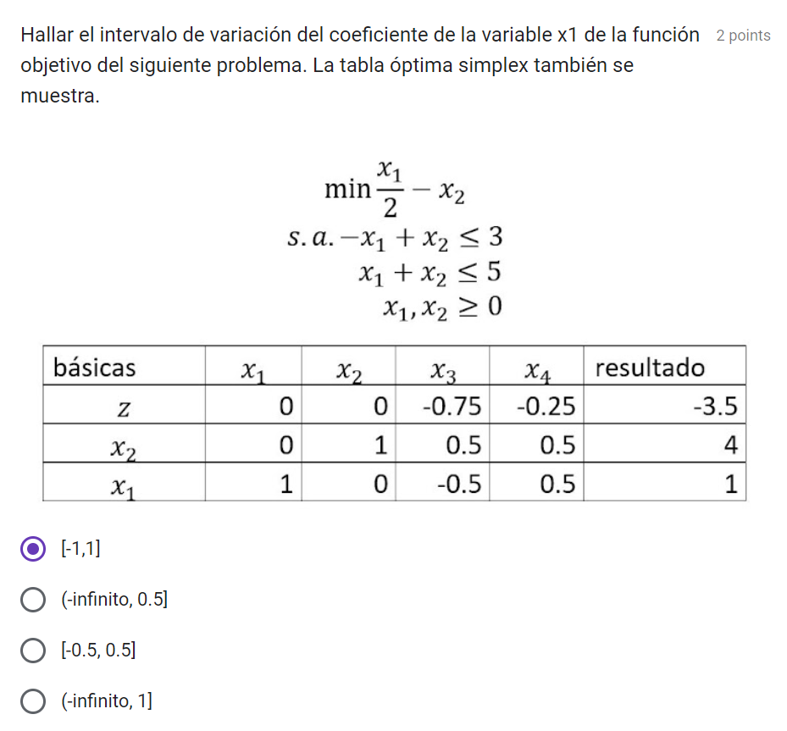
 | Variables | x1 | x2
 |  | 1 | 4

 |  | x1 | x2 | v(p)
 | Min | 0.50 | -1 | -3.5

 | S.a | x1 | x2 | sumprod |  | res
 |  | -1 | 1 | 3 | leq | 3
 |  | 1 | 1 | 5 | leq | 5

Variable Cells
 |  |  | Final | Reduced | Objective | Allowable | Allowable
 | Cell | Name | Value | Cost | Coefficient | Increase | Decrease
 | $C$3 | x1 | 1 | 0 | 0.5 | 0.5 | 1.5
 | $D$3 | x2 | 4 | 0 | -1 | 0.5 | 1E+30

Constraints
 |  |  | Final | Shadow | Constraint | Allowable | Allowable
 | Cell | Name | Value | Price | R.H. Side | Increase | Decrease
 | $E$9 | sumprod | 3 | -0.75 | 3 | 2 | 8
 | $E$10 | sumprod | 5 | -0.25 | 5 | 1E+30 | 2

 |  | ( | -1 | 1 | )

 |  | cuando se pide la variacion del coeficiente se usa el
 |  | Objective | Coefficient

Ejercicio 4
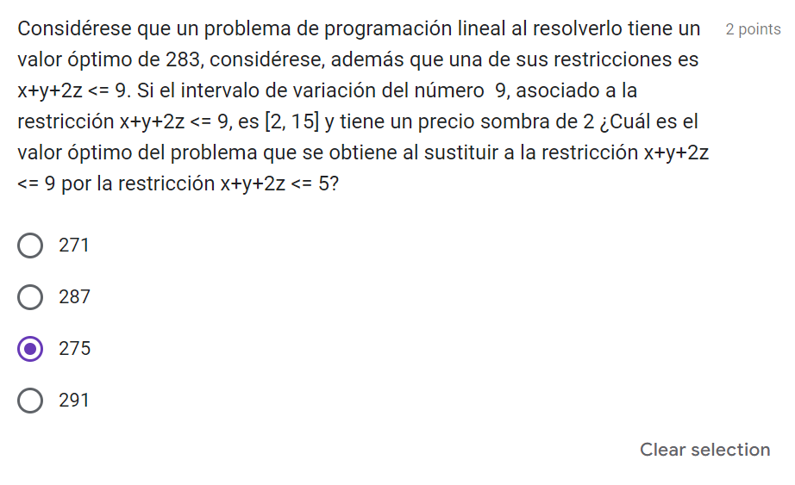

Constraints
 | Final | Shadow | Constraint | Allowable | Allowable
 | Value | Price | R.H. Side | Increase | Decrease
 | 283 | 2 | 9 | 6 | 7

Pasamos la rest de 9 a |  |  | 5

 |  | -4 | -8 | 275

 | se redujo 4 unidades
 | se multiplica por el precio sombra
 | se le suma el valor final

Ejercicio 5
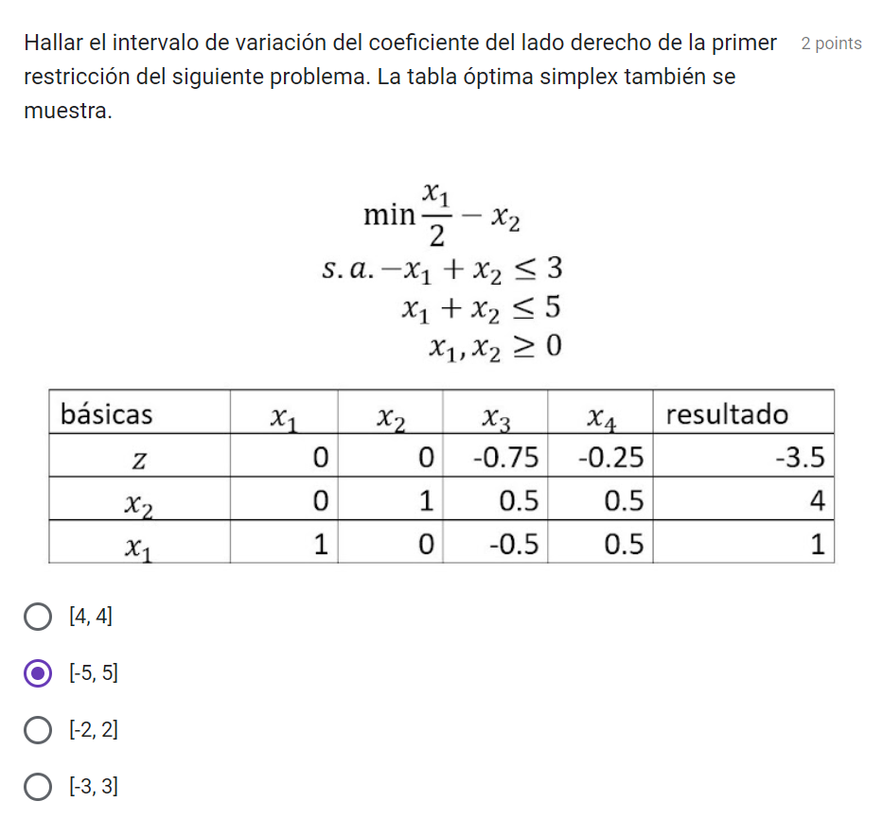
 | Variables | x1 | x2
 |  | 1 | 2

 |  | x1 | x2 | v(p)
 | Min | 0.50 | -1 | -1.5

 | S.a | x1 | x2 | sumprod |  | res
 |  | -1 | 1 | 1 | leq | 3
 |  | 1 | 1 | 3 | leq | 5

Variable Cells
 |  |  | Final | Reduced | Objective | Allowable | Allowable
 | Cell | Name | Value | Cost | Coefficient | Increase | Decrease
 | $C$3 | x1 | 1 | 0 | 0.5 | 0.5 | 1.5
 | $D$3 | x2 | 4 | 0 | -1 | 0.5 | 1E+30

Constraints
 |  |  | Final | Shadow | Constraint | Allowable | Allowable
 | Cell | Name | Value | Price | R.H. Side | Increase | Decrease
 | $E$9 | sumprod | 3 | -0.75 | 3 | 2 | 8
 | $E$10 | sumprod | 5 | -0.25 | 5 | 1E+30 | 2

 | ( | -5 | 5 | )

 |  | .3-8 | 3+2
 |  | -5 | 5

